Cleaned
Date | Open | High | Low | Close | Volume | Market_Condition | Sentiment_Score | Return (%) | Lag_1_Close | Lag_2_Close | Lag_3_Close | MA_3_Close | MA_5_Close | News_Headline
2022-01-03 | 1004.967 | 1018.586 | 1003.252 | 1004.967 | 126533 | Volatile | 0.75 | 0 |  |  |  |  |  | Tech stocks soar after strong earnings report |  | Open | High | Low | Close |  | Sentiment_Score | Return (%) | Lag_1_Close | Lag_2_Close | Lag_3_Close | MA_3_Close | MA_5_Close
2022-01-04 | 1003.578 | 1003.911 | 1002.54 | 1003.578 | 107715 | Bull | 0.84 | -0.14 | 1004.967 |  |  |  |  | Tech stocks soar after strong earnings report
2022-01-05 | 1010.078 | 1020.423 | 999.3435 | 1010.078 | 138594 | Bull | -0.88 | 0.65 | 1003.578 | 1004.967 |  | 1006.208 |  | Regulatory scrutiny rises on algorithmic trading practices | Mean | 925.07 | 934.61 | 915.89 | 925.15 | Mean | -0.04 | -0.07 | 925.24 | 925.33 | 925.38 | 924.58 | 923.90
2022-01-06 | 1025.461 | 1030.107 | 1014.373 | 1025.461 | 200078 | Bull | -0.45 | 1.52 | 1010.078 | 1003.578 | 1004.967 | 1013.039 |  | Regulatory scrutiny rises on algorithmic trading practices | Standard Error | 3.82 | 3.85 | 3.87 | 3.80 | Standard Error | 0.05 | 0.09 | 3.83 | 3.86 | 3.89 | 3.76 | 3.72
2022-01-07 | 1023.06 | 1036.261 | 1010.018 | 1023.06 | 122778 | Bull | 0.61 | -0.23 | 1025.461 | 1010.078 | 1003.578 | 1019.533 | 1013.429 | Fed hints at interest rate hike amid inflation concerns | Median | 911.31 | 918.15 | 901.43 | 911.31 | Median | -0.07 | -0.03 | 910.66 | 910.01 | 909.55 | 909.82 | 908.76
2022-01-10 | 1020.665 | 1024.224 | 1005.843 | 1020.665 | 107892 | Volatile | 0.50 | -0.23 | 1023.06 | 1025.461 | 1010.078 | 1023.062 | 1016.568 | Regulatory scrutiny rises on algorithmic trading practices | Mode | #N/A | #N/A | #N/A | 1020.67 | Mode | #N/A | 0.00 | 1020.67 | 1020.67 | 1020.67 | #N/A | #N/A
2022-01-11 | 1036.783 | 1051.11 | 1016.548 | 1020.665 | 183844 | Volatile | -0.63 | 0.00 | 1020.665 | 1023.06 | 1025.461 | 1021.463 | 1019.986 | Tech stocks soar after strong earnings report | Standard Deviation | 42.42 | 42.70 | 42.96 | 42.12 | Standard Deviation | 0.55 | 0.99 | 42.28 | 42.44 | 42.62 | 41.37 | 40.62
2022-01-14 | 1045.477 | 1048.353 | 1028.85 | 1045.477 | 128602 | Bull | -0.03 | 2.43 | 1020.665 | 1020.665 | 1023.06 | 1028.936 | 1027.066 | S&P 500 hits new high as investor confidence rebounds | Sample Variance | 1799.43 | 1823.25 | 1845.50 | 1773.82 | Sample Variance | 0.30 | 0.98 | 1787.64 | 1801.51 | 1816.36 | 1711.52 | 1649.74
2022-01-17 | 1040.632 | 1047.731 | 1034.995 | 1040.632 | 182777 | Volatile | 0.24 | -0.46 | 1045.477 | 1020.665 | 1020.665 | 1035.591 | 1030.1 | Regulatory scrutiny rises on algorithmic trading practices | Kurtosis | 1.05 | 0.98 | 0.83 | 0.96 | Kurtosis | -1.16 | 0.24 | 0.92 | 0.88 | 0.84 | 1.09 | 1.22
2022-01-18 | 1035.786 | 1038.136 | 1026.692 | 1035.786 | 78901 | Volatile | -0.26 | -0.47 | 1040.632 | 1045.477 | 1020.665 | 1040.632 | 1032.645 | AI-driven trading firms outperform traditional hedge funds | Skewness | 1.37 | 1.34 | 1.29 | 1.35 | Skewness | 0.22 | 0.08 | 1.33 | 1.32 | 1.32 | 1.41 | 1.46
2022-01-19 | 1038.292 | 1057.494 | 1036.663 | 1038.292 | 80520 | Volatile | -0.07 | 0.24 | 1035.786 | 1040.632 | 1045.477 | 1038.237 | 1036.17 | Tech stocks soar after strong earnings report | Range | 175.74 | 178.87 | 181.31 | 175.74 | Range | 1.91 | 5.08 | 175.74 | 175.74 | 175.74 | 169.26 | 161.47
2022-01-20 | 1018.426 | 1036.296 | 1017.91 | 1018.426 | 113638 | Bear | 0.49 | -1.91 | 1038.292 | 1035.786 | 1040.632 | 1030.835 | 1035.723 | AI-driven trading firms outperform traditional hedge funds | Minimum | 869.73 | 878.63 | 855.36 | 869.73 | Minimum | -0.93 | -2.62 | 869.73 | 869.73 | 869.73 | 871.37 | 874.70
2022-01-21 | 1000.859 | 1006.023 | 981.5898 | 1000.859 | 146279 | Bear | -0.93 | -1.72 | 1018.426 | 1038.292 | 1035.786 | 1019.192 | 1026.799 | Regulatory scrutiny rises on algorithmic trading practices | Maximum | 1045.48 | 1057.49 | 1036.66 | 1045.48 | Maximum | 0.98 | 2.46 | 1045.48 | 1045.48 | 1045.48 | 1040.63 | 1036.17
2022-01-24 | 995.2316 | 1008.368 | 978.5917 | 995.2316 | 190128 | Volatile | -0.50 | -0.56 | 1000.859 | 1018.426 | 1038.292 | 1004.839 | 1017.719 | Market volatility spikes due to geopolitical tensions | Sum | 113783.14 | 114957.45 | 112654.09 | 113793.88 | Sum | -4.92 | -8.76 | 112878.76 | 111964.56 | 111045.15 | 111874.57 | 109944.54
2022-01-25 | 985.1516 | 1001.253 | 971.4388 | 985.1516 | 340332 | Volatile | 0.43 | -1.01 | 995.2316 | 1000.859 | 1018.426 | 993.7474 | 1007.592 | Fed hints at interest rate hike amid inflation concerns | Count | 123.00 | 123.00 | 123.00 | 123.00 | Count | 123.00 | 123.00 | 122.00 | 121.00 | 120.00 | 121.00 | 119.00
2022-01-26 | 988.2474 | 999.2209 | 980.1645 | 988.2474 | 249903 | Volatile | 0.79 | 0.31 | 985.1516 | 995.2316 | 1000.859 | 989.5435 | 997.5831 | Tech stocks soar after strong earnings report
2022-01-27 | 979.2739 | 989.6473 | 975.8798 | 979.2739 | 150246 | Bear | 0.02 | -0.91 | 988.2474 | 985.1516 | 995.2316 | 984.2243 | 989.7527 | S&P 500 hits new high as investor confidence rebounds
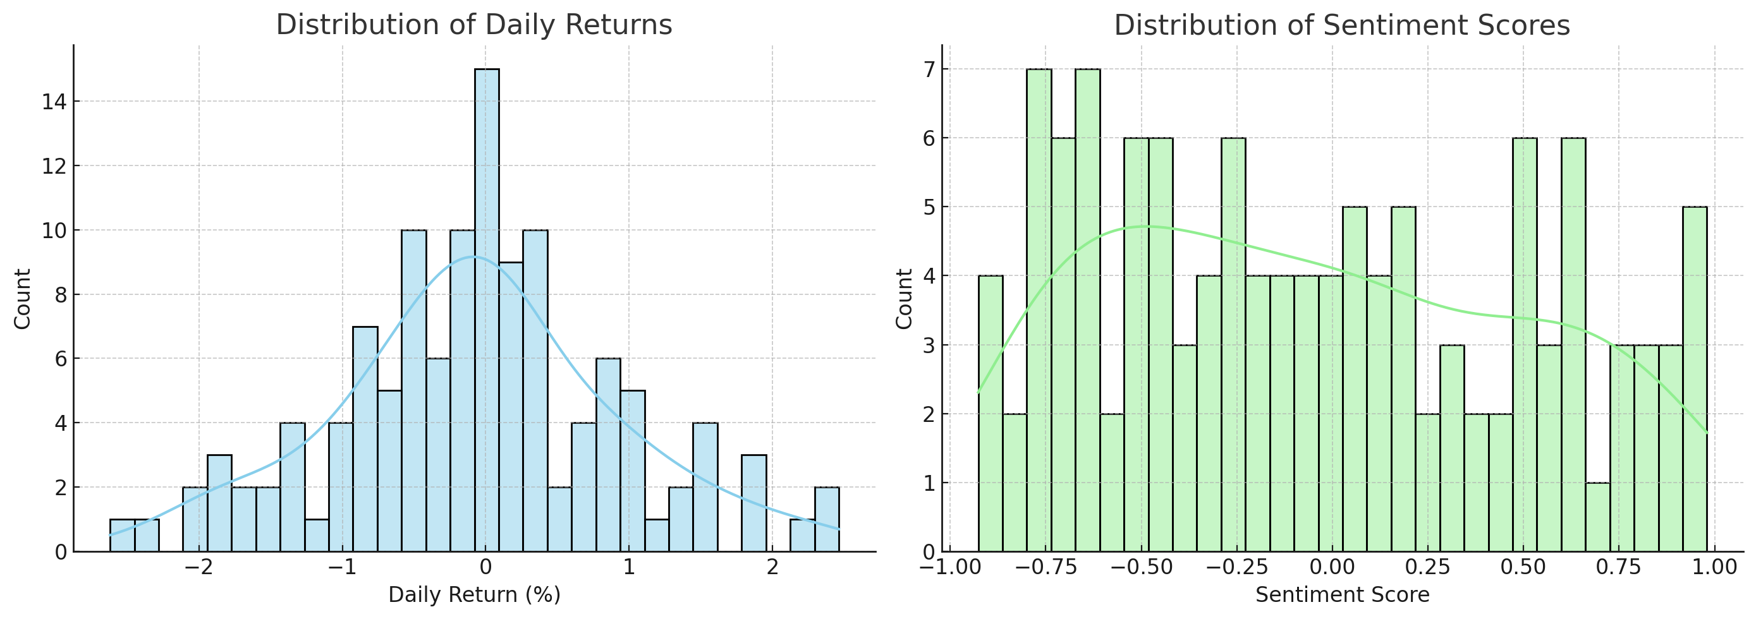
2022-01-28 | 965.4436 | 970.1135 | 962.4229 | 965.4436 | 161214 | Volatile | 0.06 | -1.41 | 979.2739 | 988.2474 | 985.1516 | 977.655 | 982.6696 | AI-driven trading firms outperform traditional hedge funds
2022-01-31 | 979.5936 | 981.4176 | 974.6908 | 979.5936 | 98591 | Volatile | -0.79 | 1.47 | 965.4436 | 979.2739 | 988.2474 | 974.7704 | 979.542 | Market volatility spikes due to geopolitical tensions
2022-02-01 | 977.3819 | 994.9203 | 966.6458 | 977.3819 | 161255 | Bull | -0.11 | -0.23 | 979.5936 | 965.4436 | 979.2739 | 974.1397 | 977.9881 | Market volatility spikes due to geopolitical tensions
2022-02-04 | 958.8588 | 965.3605 | 953.4905 | 958.8588 | 107622 | Volatile | -0.46 | -1.90 | 977.3819 | 979.5936 | 965.4436 | 971.9448 | 972.1104 | Market volatility spikes due to geopolitical tensions
2022-02-07 | 959.9224 | 966.6267 | 941.5905 | 959.9224 | 211012 | Volatile | -0.25 | 0.11 | 958.8588 | 977.3819 | 979.5936 | 965.3877 | 968.2401 | Fed hints at interest rate hike amid inflation concerns
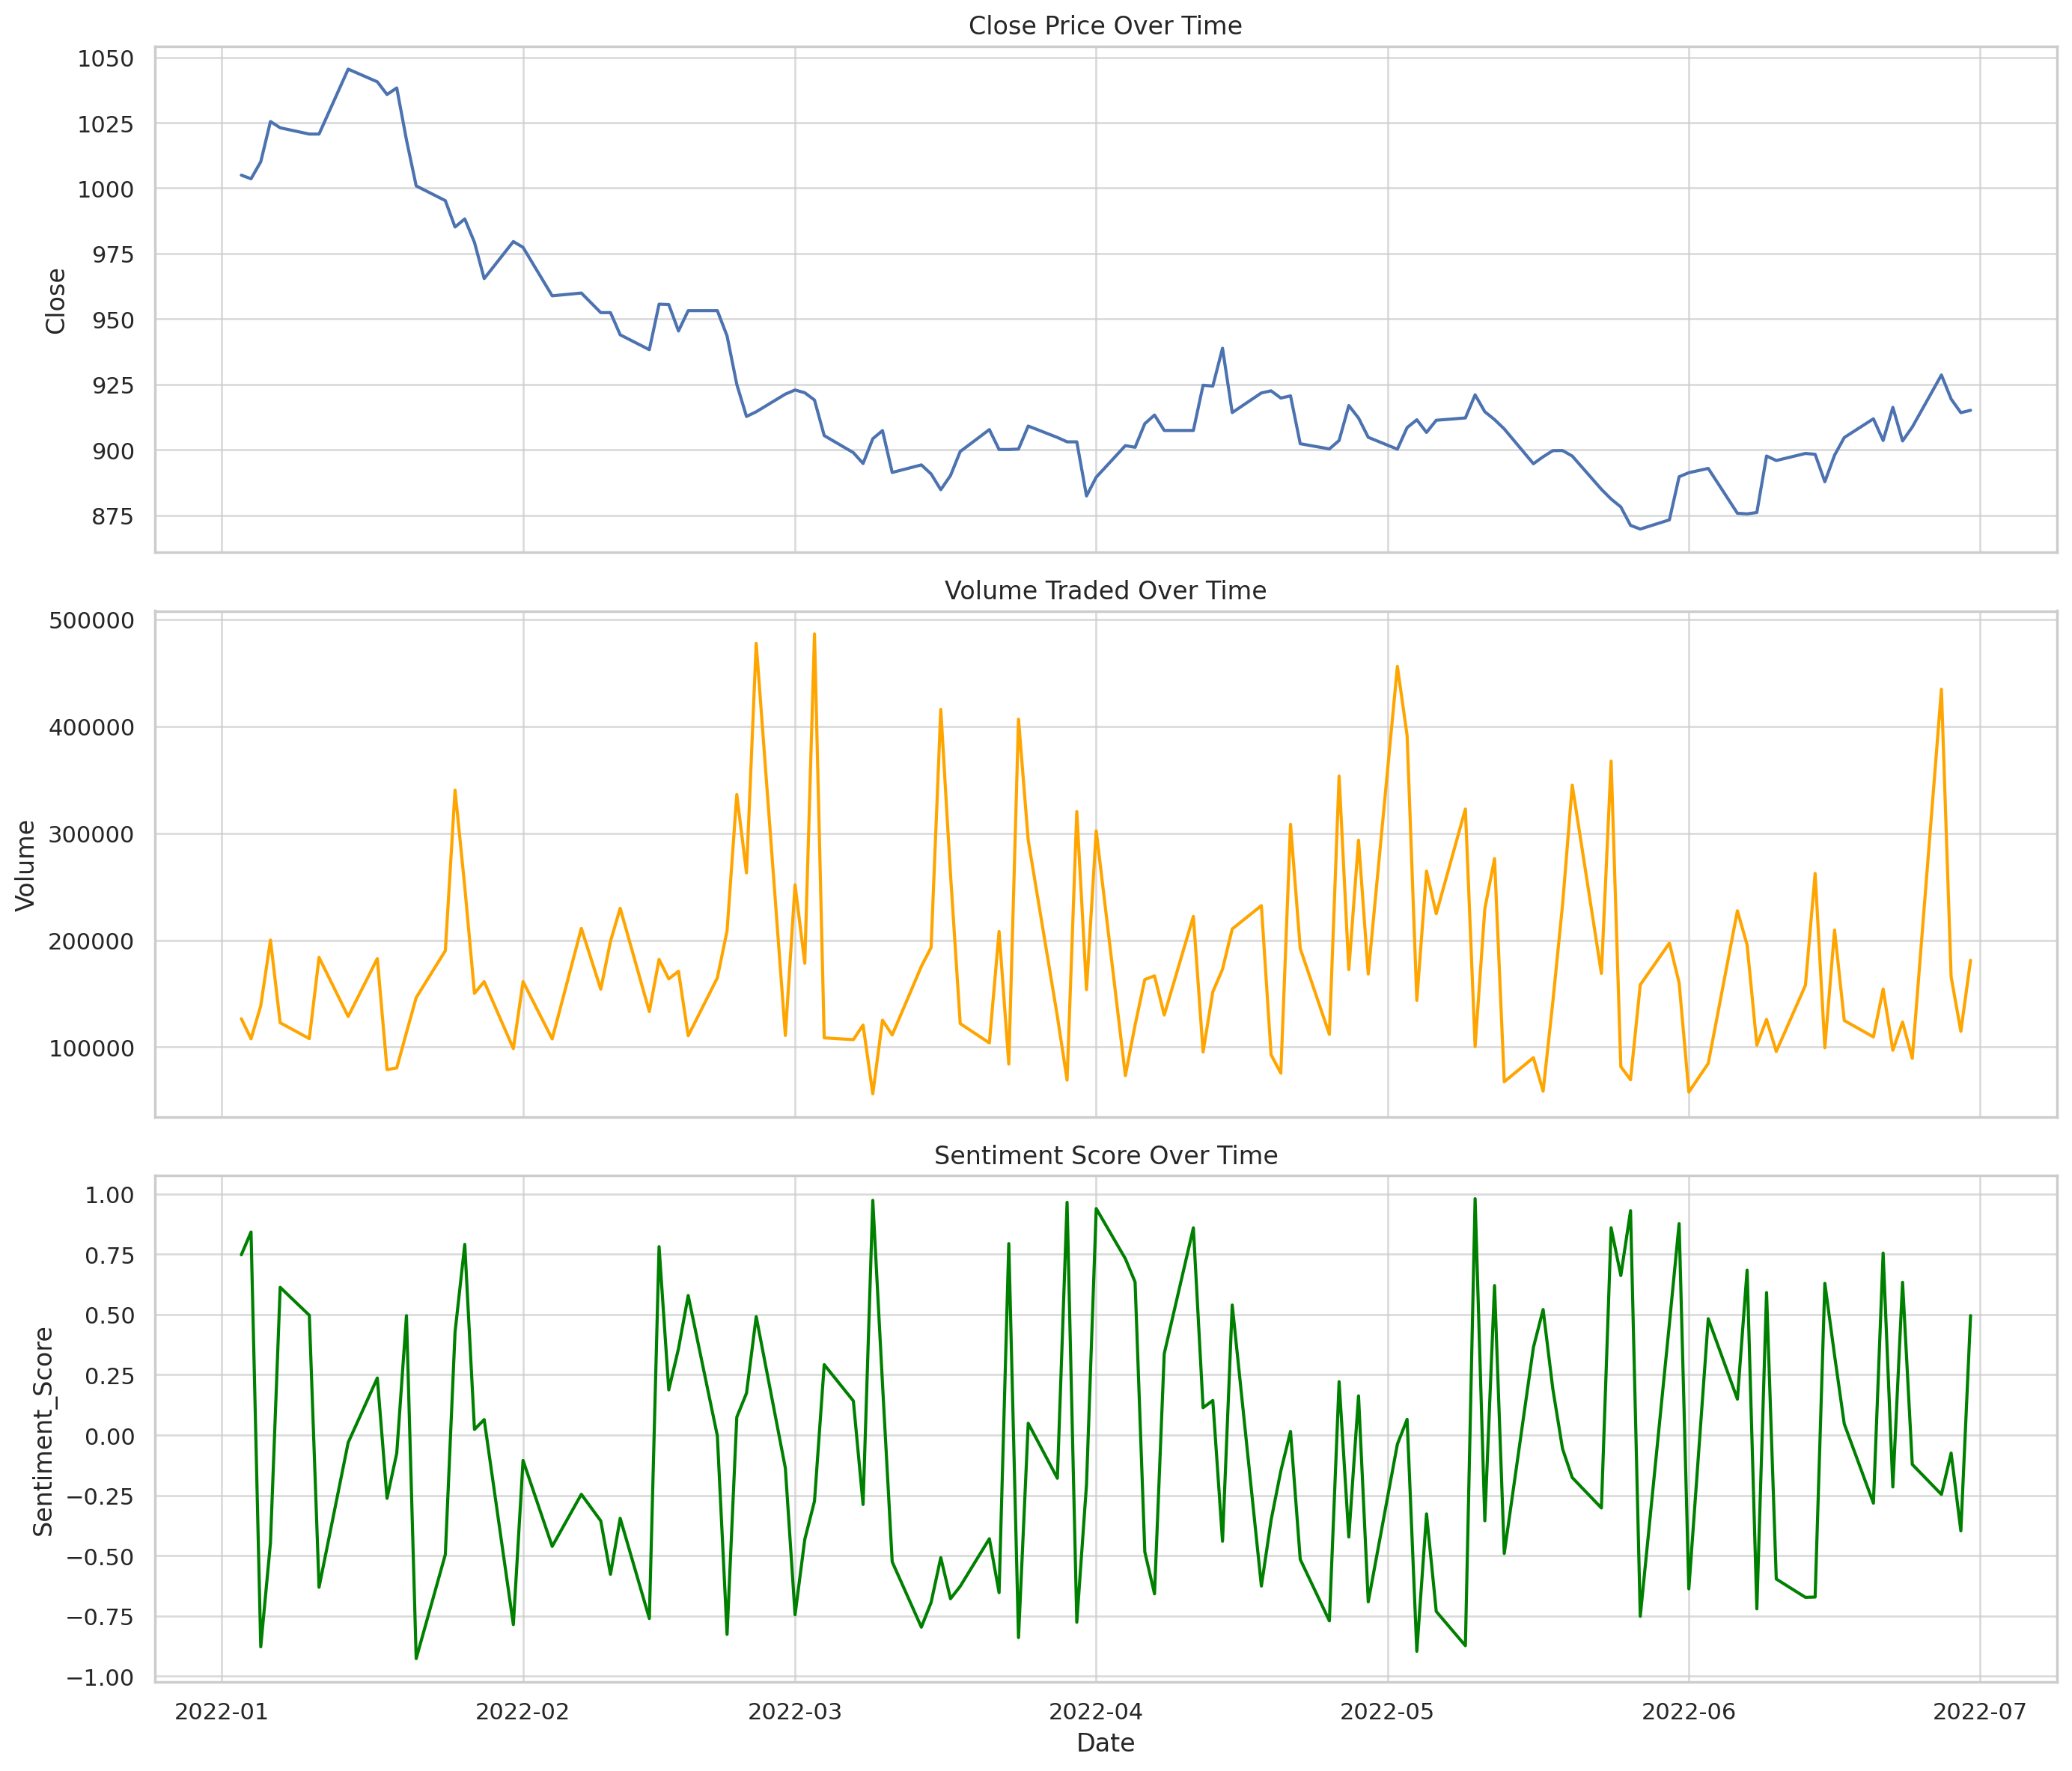
2022-02-09 | 952.4387 | 969.5275 | 941.8789 | 952.4387 | 154140 | Bear | -0.36 | -0.78 | 959.9224 | 958.8588 | 977.3819 | 957.0733 | 965.6391 | AI-driven trading firms outperform traditional hedge funds
2022-02-10 | 946.718 | 963.5144 | 935.1354 | 952.4387 | 198959 | Bull | -0.58 | 0.00 | 952.4387 | 959.9224 | 958.8588 | 954.9333 | 960.2081 | Fed hints at interest rate hike amid inflation concerns
2022-02-11 | 943.9564 | 958.6798 | 936.0347 | 943.9564 | 229824 | Bull | -0.35 | -0.89 | 952.4387 | 952.4387 | 959.9224 | 949.6113 | 953.523 | Market volatility spikes due to geopolitical tensions
2022-02-14 | 938.2766 | 950.3246 | 933.6278 | 938.2766 | 133171 | Bull | -0.76 | -0.60 | 943.9564 | 952.4387 | 952.4387 | 944.8906 | 949.4066 | Market volatility spikes due to geopolitical tensions
2022-02-15 | 955.6561 | 957.2643 | 948.8523 | 955.6561 | 182051 | Bull | 0.78 | 1.85 | 938.2766 | 943.9564 | 952.4387 | 945.963 | 948.5533 | Regulatory scrutiny rises on algorithmic trading practices
2022-02-16 | 955.5271 | 958.6159 | 941.0442 | 955.5271 | 163782 | Volatile | 0.19 | -0.01 | 955.6561 | 938.2766 | 943.9564 | 949.8199 | 949.171 | Market volatility spikes due to geopolitical tensions
2022-02-17 | 945.4204 | 962.4106 | 945.1482 | 945.4204 | 170900 | Volatile | 0.36 | -1.06 | 955.5271 | 955.6561 | 938.2766 | 952.2012 | 947.7673 | Fed hints at interest rate hike amid inflation concerns
2022-02-18 | 953.1969 | 964.7578 | 950.9841 | 953.1969 | 110580 | Bull | 0.58 | 0.82 | 945.4204 | 955.5271 | 955.6561 | 951.3815 | 949.6154 | S&P 500 hits new high as investor confidence rebounds
2022-02-21 | 941.5598 | 941.733 | 940.6936 | 953.1969 | 164761 | Bear | 0.00 | 0.00 | 953.1969 | 945.4204 | 955.5271 | 950.6047 | 952.5995 | AI-driven trading firms outperform traditional hedge funds
2022-02-22 | 943.5264 | 945.4412 | 942.7578 | 943.5264 | 208772 | Bear | -0.83 | -1.01 | 953.1969 | 953.1969 | 945.4204 | 949.9734 | 950.1735 | Regulatory scrutiny rises on algorithmic trading practices
2022-02-23 | 925.0364 | 937.3117 | 909.2098 | 925.0364 | 336237 | Bear | 0.07 | -1.96 | 943.5264 | 953.1969 | 953.1969 | 940.5866 | 944.0754 | Fed hints at interest rate hike amid inflation concerns
2022-02-24 | 912.7502 | 912.8426 | 899.9049 | 912.7502 | 262927 | Bear | 0.17 | -1.33 | 925.0364 | 943.5264 | 953.1969 | 927.1043 | 937.5414 | AI-driven trading firms outperform traditional hedge funds
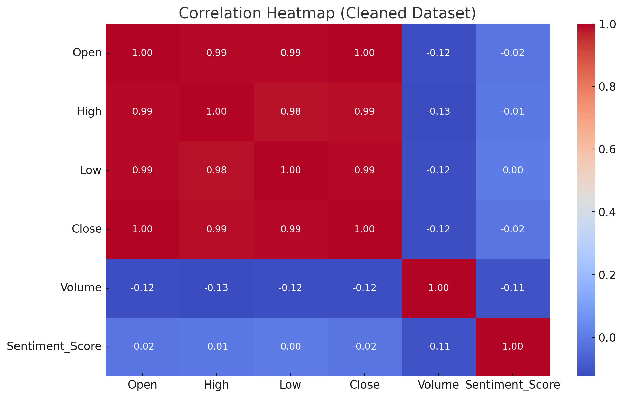
2022-02-25 | 914.5471 | 917.4884 | 905.874 | 914.5471 | 477629 | Bull | 0.49 | 0.20 | 912.7502 | 925.0364 | 943.5264 | 917.4446 | 929.8114 | Fed hints at interest rate hike amid inflation concerns
2022-02-28 | 921.3007 | 931.4117 | 919.498 | 921.3007 | 110893 | Volatile | -0.14 | 0.74 | 914.5471 | 912.7502 | 925.0364 | 916.1993 | 923.4322 | Regulatory scrutiny rises on algorithmic trading practices
2022-03-01 | 922.8795 | 935.6502 | 913.8055 | 922.8795 | 251742 | Bear | -0.74 | 0.17 | 921.3007 | 914.5471 | 912.7502 | 919.5758 | 919.3028 | Market volatility spikes due to geopolitical tensions
2022-03-02 | 921.8122 | 933.8319 | 913.0832 | 921.8122 | 178379 | Bull | -0.43 | -0.12 | 922.8795 | 921.3007 | 914.5471 | 921.9975 | 918.6579 | S&P 500 hits new high as investor confidence rebounds
2022-03-03 | 919.0366 | 923.1588 | 915.853 | 919.0366 | 486455 | Bear | -0.27 | -0.30 | 921.8122 | 922.8795 | 921.3007 | 921.2428 | 919.9152 | Regulatory scrutiny rises on algorithmic trading practices
2022-03-04 | 905.4484 | 918.3453 | 897.5918 | 905.4484 | 108646 | Bear | 0.29 | -1.48 | 919.0366 | 921.8122 | 922.8795 | 915.4324 | 918.0955 | Market volatility spikes due to geopolitical tensions
2022-03-07 | 898.9306 | 903.196 | 891.7661 | 898.9306 | 106952 | Bull | 0.14 | -0.72 | 905.4484 | 919.0366 | 921.8122 | 907.8052 | 913.6215 | Regulatory scrutiny rises on algorithmic trading practices
2022-03-08 | 894.7898 | 900.6131 | 883.7687 | 894.7898 | 120608 | Volatile | -0.29 | -0.46 | 898.9306 | 905.4484 | 919.0366 | 899.7229 | 908.0035 | Tech stocks soar after strong earnings report
2022-03-09 | 904.2488 | 917.7491 | 892.7632 | 904.2488 | 56277 | Volatile | 0.97 | 1.06 | 894.7898 | 898.9306 | 905.4484 | 899.3231 | 904.4908 | S&P 500 hits new high as investor confidence rebounds
2022-03-10 | 907.356 | 919.1449 | 906.5338 | 907.356 | 125131 | Bull | 0.21 | 0.34 | 904.2488 | 894.7898 | 898.9306 | 902.1315 | 902.1547 | Fed hints at interest rate hike amid inflation concerns
2022-03-11 | 891.3589 | 906.4982 | 884.6806 | 891.3589 | 111349 | Volatile | -0.53 | -1.76 | 907.356 | 904.2488 | 894.7898 | 900.9879 | 899.3368 | Fed hints at interest rate hike amid inflation concerns
2022-03-14 | 894.2477 | 906.0091 | 883.0542 | 894.2477 | 175465 | Bull | -0.80 | 0.32 | 891.3589 | 907.356 | 904.2488 | 897.6542 | 898.4002 | S&P 500 hits new high as investor confidence rebounds
2022-03-15 | 890.8041 | 900.9291 | 881.8402 | 890.8041 | 193083 | Bull | -0.69 | -0.39 | 894.2477 | 891.3589 | 907.356 | 892.1369 | 897.6031 | Tech stocks soar after strong earnings report
2022-03-16 | 884.774 | 886.4317 | 869.618 | 884.774 | 415852 | Bull | -0.51 | -0.68 | 890.8041 | 894.2477 | 891.3589 | 889.9419 | 893.7081 | Market volatility spikes due to geopolitical tensions
2022-03-17 | 890.186 | 896.7327 | 878.4588 | 890.186 | 261767 | Volatile | -0.68 | 0.61 | 884.774 | 890.8041 | 894.2477 | 888.588 | 890.2741 | Fed hints at interest rate hike amid inflation concerns
2022-03-18 | 899.3638 | 904.1341 | 896.4331 | 899.3638 | 121972 | Bull | -0.63 | 1.03 | 890.186 | 884.774 | 890.8041 | 891.4413 | 891.8751 | Tech stocks soar after strong earnings report
2022-03-21 | 907.7394 | 912.169 | 906.4582 | 907.7394 | 103859 | Bear | -0.43 | 0.93 | 899.3638 | 890.186 | 884.774 | 899.0964 | 894.5735 | Fed hints at interest rate hike amid inflation concerns
2022-03-22 | 900.1215 | 917.6381 | 888.5564 | 900.1215 | 208138 | Volatile | -0.65 | -0.84 | 907.7394 | 899.3638 | 890.186 | 902.4082 | 896.4369 | AI-driven trading firms outperform traditional hedge funds
2022-03-23 | 897.3382 | 904.393 | 896.8624 | 900.1215 | 84110 | Volatile | 0.79 | 0.00 | 900.1215 | 907.7394 | 899.3638 | 902.6608 | 899.5064 | Market volatility spikes due to geopolitical tensions
2022-03-24 | 900.3108 | 916.3731 | 889.7632 | 900.3108 | 406658 | Volatile | -0.84 | 0.02 | 900.1215 | 900.1215 | 907.7394 | 900.1846 | 901.5314 | AI-driven trading firms outperform traditional hedge funds
2022-03-25 | 909.0937 | 920.569 | 891.9986 | 909.0937 | 293525 | Volatile | 0.05 | 0.98 | 900.3108 | 900.1215 | 900.1215 | 903.1753 | 903.4774 | S&P 500 hits new high as investor confidence rebounds
2022-03-28 | 904.7376 | 919.1195 | 894.3245 | 904.7376 | 128722 | Bear | -0.18 | -0.48 | 909.0937 | 900.3108 | 900.1215 | 904.714 | 902.877 | Market volatility spikes due to geopolitical tensions
2022-03-29 | 903.0578 | 912.136 | 896.047 | 903.0578 | 69108 | Volatile | 0.96 | -0.19 | 904.7376 | 909.0937 | 900.3108 | 905.6297 | 903.4643 | Tech stocks soar after strong earnings report
2022-03-30 | 893.067 | 903.3713 | 881.577 | 903.0578 | 320275 | Volatile | -0.78 | 0.00 | 903.0578 | 904.7376 | 909.0937 | 903.6177 | 904.0515 | Market volatility spikes due to geopolitical tensions
2022-03-31 | 882.3841 | 891.0759 | 874.297 | 882.3841 | 153695 | Bull | -0.20 | -2.29 | 903.0578 | 903.0578 | 904.7376 | 896.1666 | 900.4662 | Market volatility spikes due to geopolitical tensions
2022-04-01 | 889.5537 | 893.0272 | 879.8466 | 889.5537 | 302219 | Volatile | 0.94 | 0.81 | 882.3841 | 903.0578 | 903.0578 | 891.6652 | 896.5582 | Tech stocks soar after strong earnings report
2022-04-04 | 901.6181 | 914.6457 | 884.6413 | 901.6181 | 73334 | Bear | 0.73 | 1.36 | 889.5537 | 882.3841 | 903.0578 | 891.1853 | 895.9343 | S&P 500 hits new high as investor confidence rebounds
2022-04-05 | 900.9689 | 906.0282 | 894.0116 | 900.9689 | 120609 | Bear | 0.63 | -0.07 | 901.6181 | 889.5537 | 882.3841 | 897.3802 | 895.5165 | Market volatility spikes due to geopolitical tensions
2022-04-06 | 910.0104 | 910.453 | 892.5165 | 910.0104 | 163182 | Bear | -0.48 | 1.00 | 900.9689 | 901.6181 | 889.5537 | 904.1991 | 896.907 | S&P 500 hits new high as investor confidence rebounds
2022-04-07 | 913.3013 | 925.0915 | 896.7642 | 913.3013 | 166623 | Bear | -0.66 | 0.36 | 910.0104 | 900.9689 | 901.6181 | 908.0935 | 903.0905 | S&P 500 hits new high as investor confidence rebounds
2022-04-08 | 907.4094 | 910.6237 | 903.8562 | 907.4094 | 129958 | Volatile | 0.34 | -0.65 | 913.3013 | 910.0104 | 900.9689 | 910.2404 | 906.6616 | S&P 500 hits new high as investor confidence rebounds
2022-04-11 | 910.6888 | 927.8181 | 909.4255 | 907.4094 | 222220 | Volatile | 0.86 | 0.00 | 907.4094 | 913.3013 | 910.0104 | 909.3734 | 907.8199 | Fed hints at interest rate hike amid inflation concerns
2022-04-12 | 924.6955 | 942.3374 | 922.8317 | 924.6955 | 95433 | Bear | 0.11 | 1.90 | 907.4094 | 907.4094 | 913.3013 | 913.1714 | 912.5652 | Regulatory scrutiny rises on algorithmic trading practices
2022-04-13 | 924.3642 | 941.2776 | 924.0274 | 924.3642 | 151571 | Bear | 0.14 | -0.04 | 924.6955 | 907.4094 | 907.4094 | 918.823 | 915.436 | S&P 500 hits new high as investor confidence rebounds
2022-04-14 | 938.8272 | 945.7775 | 937.0539 | 938.8272 | 172844 | Volatile | -0.44 | 1.56 | 924.3642 | 924.6955 | 907.4094 | 929.2956 | 920.5411 | Tech stocks soar after strong earnings report
2022-04-15 | 914.2324 | 914.515 | 901.7438 | 914.2324 | 210495 | Bear | 0.54 | -2.62 | 938.8272 | 924.3642 | 924.6955 | 925.8079 | 921.9057 | Regulatory scrutiny rises on algorithmic trading practices
2022-04-18 | 921.7465 | 938.8599 | 920.4341 | 921.7465 | 232305 | Bull | -0.63 | 0.82 | 914.2324 | 938.8272 | 924.3642 | 924.9354 | 924.7732 | S&P 500 hits new high as investor confidence rebounds
2022-04-19 | 922.5488 | 930.4492 | 916.6634 | 922.5488 | 92751 | Bear | -0.35 | 0.09 | 921.7465 | 914.2324 | 938.8272 | 919.5092 | 924.3438 | Tech stocks soar after strong earnings report
2022-04-20 | 919.7903 | 937.5727 | 904.2482 | 919.7903 | 75579 | Bear | -0.15 | -0.30 | 922.5488 | 921.7465 | 914.2324 | 921.3619 | 923.429 | Tech stocks soar after strong earnings report
2022-04-21 | 920.6343 | 938.3772 | 920.2058 | 920.6343 | 308303 | Bull | 0.02 | 0.09 | 919.7903 | 922.5488 | 921.7465 | 920.9911 | 919.7905 | AI-driven trading firms outperform traditional hedge funds
2022-04-22 | 902.3361 | 917.7301 | 887.6376 | 902.3361 | 192174 | Bull | -0.52 | -1.99 | 920.6343 | 919.7903 | 922.5488 | 914.2536 | 917.4112 | AI-driven trading firms outperform traditional hedge funds
2022-04-25 | 900.3539 | 905.6561 | 895.2785 | 900.3539 | 111944 | Volatile | -0.77 | -0.22 | 902.3361 | 920.6343 | 919.7903 | 907.7748 | 913.1327 | Market volatility spikes due to geopolitical tensions
2022-04-26 | 903.5692 | 910.5284 | 901.4338 | 903.5692 | 353477 | Volatile | 0.22 | 0.36 | 900.3539 | 902.3361 | 920.6343 | 902.0864 | 909.3368 | S&P 500 hits new high as investor confidence rebounds
2022-04-27 | 916.923 | 932.5315 | 904.1459 | 916.923 | 172445 | Bull | -0.42 | 1.48 | 903.5692 | 900.3539 | 902.3361 | 906.9487 | 908.7633 | S&P 500 hits new high as investor confidence rebounds
2022-04-28 | 912.1708 | 917.9526 | 900.6968 | 912.1708 | 293504 | Bull | 0.16 | -0.52 | 916.923 | 903.5692 | 900.3539 | 910.8877 | 907.0706 | Regulatory scrutiny rises on algorithmic trading practices
2022-04-29 | 904.796 | 907.8631 | 888.9173 | 904.796 | 168343 | Volatile | -0.69 | -0.81 | 912.1708 | 916.923 | 903.5692 | 911.2966 | 907.5626 | Tech stocks soar after strong earnings report
2022-05-02 | 900.2561 | 910.2814 | 887.0211 | 900.2561 | 456057 | Bear | -0.04 | -0.50 | 904.796 | 912.1708 | 916.923 | 905.741 | 907.543 | S&P 500 hits new high as investor confidence rebounds
2022-05-03 | 908.4971 | 925.507 | 893.8979 | 908.4971 | 391472 | Bull | 0.07 | 0.92 | 900.2561 | 904.796 | 912.1708 | 904.5164 | 908.5286 | Market volatility spikes due to geopolitical tensions
2022-05-04 | 911.4838 | 924.1722 | 906.3424 | 911.4838 | 143705 | Volatile | -0.90 | 0.33 | 908.4971 | 900.2561 | 904.796 | 906.7457 | 907.4408 | Fed hints at interest rate hike amid inflation concerns
2022-05-05 | 906.6551 | 916.9921 | 903.4376 | 906.6551 | 264549 | Bear | -0.33 | -0.53 | 911.4838 | 908.4971 | 900.2561 | 908.8787 | 906.3376 | Tech stocks soar after strong earnings report
2022-05-06 | 911.3087 | 913.0798 | 897.6278 | 911.3087 | 224737 | Bull | -0.73 | 0.51 | 906.6551 | 911.4838 | 908.4971 | 909.8159 | 907.6402 | Fed hints at interest rate hike amid inflation concerns
2022-05-09 | 912.1933 | 923.4134 | 897.4735 | 912.1933 | 322647 | Bear | -0.87 | 0.10 | 911.3087 | 906.6551 | 911.4838 | 910.0524 | 910.0276 | Market volatility spikes due to geopolitical tensions
2022-05-10 | 921.0293 | 939.2666 | 902.7836 | 921.0293 | 100462 | Volatile | 0.98 | 0.97 | 912.1933 | 911.3087 | 906.6551 | 914.8438 | 912.534 | AI-driven trading firms outperform traditional hedge funds
2022-05-11 | 914.5631 | 917.1254 | 907.0158 | 914.5631 | 229354 | Bull | -0.36 | -0.70 | 921.0293 | 912.1933 | 911.3087 | 915.9286 | 913.1499 | Market volatility spikes due to geopolitical tensions
2022-05-12 | 911.5665 | 921.0163 | 904.7841 | 911.5665 | 276291 | Bear | 0.62 | -0.33 | 914.5631 | 921.0293 | 912.1933 | 915.7196 | 914.1322 | Fed hints at interest rate hike amid inflation concerns
2022-05-13 | 907.9921 | 923.9251 | 893.8926 | 907.9921 | 67550 | Bull | -0.49 | -0.39 | 911.5665 | 914.5631 | 921.0293 | 911.3739 | 913.4689 | Tech stocks soar after strong earnings report
2022-05-16 | 894.7035 | 907.9589 | 888.6052 | 894.7035 | 90072 | Bear | 0.36 | -1.46 | 907.9921 | 911.5665 | 914.5631 | 904.754 | 909.9709 | Regulatory scrutiny rises on algorithmic trading practices
2022-05-17 | 897.3529 | 909.8623 | 880.6486 | 897.3529 | 58711 | Volatile | 0.52 | 0.30 | 894.7035 | 907.9921 | 911.5665 | 900.0162 | 905.2356 | S&P 500 hits new high as investor confidence rebounds
2022-05-18 | 899.6955 | 912.336 | 884.2493 | 899.6955 | 142243 | Volatile | 0.19 | 0.26 | 897.3529 | 894.7035 | 907.9921 | 897.2506 | 902.2621 | Market volatility spikes due to geopolitical tensions
2022-05-19 | 899.7415 | 906.2105 | 892.0218 | 899.7415 | 232994 | Bull | -0.06 | 0.01 | 899.6955 | 897.3529 | 894.7035 | 898.93 | 899.8971 | Tech stocks soar after strong earnings report
2022-05-20 | 897.6308 | 902.9016 | 884.1507 | 897.6308 | 344958 | Bear | -0.18 | -0.23 | 899.7415 | 899.6955 | 897.3529 | 899.0226 | 897.8248 | S&P 500 hits new high as investor confidence rebounds
2022-05-23 | 884.926 | 899.2505 | 871.5717 | 884.926 | 168897 | Bull | -0.30 | -1.42 | 897.6308 | 899.7415 | 899.6955 | 894.0994 | 895.8693 | AI-driven trading firms outperform traditional hedge funds
2022-05-24 | 881.2036 | 895.4811 | 879.3862 | 881.2036 | 367437 | Bull | 0.86 | -0.42 | 884.926 | 897.6308 | 899.7415 | 887.9201 | 892.6395 | AI-driven trading firms outperform traditional hedge funds
2022-05-25 | 878.1836 | 893.4126 | 862.3315 | 878.1836 | 81629 | Bear | 0.66 | -0.34 | 881.2036 | 884.926 | 897.6308 | 881.4377 | 888.3371 | S&P 500 hits new high as investor confidence rebounds
2022-05-26 | 871.1382 | 887.0493 | 862.3353 | 871.1382 | 69446 | Bear | 0.93 | -0.80 | 878.1836 | 881.2036 | 884.926 | 876.8418 | 882.6164 | AI-driven trading firms outperform traditional hedge funds
2022-05-27 | 869.7331 | 878.6278 | 855.3572 | 869.7331 | 158296 | Bear | -0.75 | -0.16 | 871.1382 | 878.1836 | 881.2036 | 873.0183 | 877.0369 | Tech stocks soar after strong earnings report
2022-05-30 | 873.2473 | 882.0063 | 867.6577 | 873.2473 | 197211 | Volatile | 0.46 | 0.40 | 869.7331 | 871.1382 | 878.1836 | 871.3729 | 874.7012 | Market volatility spikes due to geopolitical tensions
2022-05-31 | 889.7184 | 903.9235 | 873.7831 | 889.7184 | 160115 | Bull | 0.88 | 1.89 | 873.2473 | 869.7331 | 871.1382 | 877.5663 | 876.4041 | Tech stocks soar after strong earnings report
2022-06-01 | 891.2716 | 902.8575 | 884.3339 | 891.2716 | 57888 | Bull | -0.64 | 0.17 | 889.7184 | 873.2473 | 869.7331 | 884.7458 | 879.0217 | Tech stocks soar after strong earnings report
2022-06-03 | 892.9019 | 907.1132 | 876.7335 | 892.9019 | 84775 | Bear | 0.48 | 0.18 | 891.2716 | 889.7184 | 873.2473 | 891.2973 | 883.3745 | Regulatory scrutiny rises on algorithmic trading practices
2022-06-06 | 875.7691 | 891.3579 | 874.1702 | 875.7691 | 227484 | Volatile | 0.15 | -1.92 | 892.9019 | 891.2716 | 889.7184 | 886.6475 | 884.5817 | Regulatory scrutiny rises on algorithmic trading practices
2022-06-07 | 875.5369 | 881.4555 | 869.9455 | 875.5369 | 195496 | Volatile | 0.68 | -0.03 | 875.7691 | 892.9019 | 891.2716 | 881.4026 | 885.0396 | Market volatility spikes due to geopolitical tensions
2022-06-08 | 876.0643 | 882.645 | 859.418 | 876.0643 | 101728 | Volatile | -0.72 | 0.06 | 875.5369 | 875.7691 | 892.9019 | 875.7901 | 882.3088 | S&P 500 hits new high as investor confidence rebounds
2022-06-09 | 897.6438 | 899.3311 | 880.5777 | 897.6438 | 125877 | Bull | 0.59 | 2.46 | 876.0643 | 875.5369 | 875.7691 | 883.0817 | 883.5832 | Regulatory scrutiny rises on algorithmic trading practices
2022-06-10 | 895.9171 | 906.279 | 885.6421 | 895.9171 | 95835 | Volatile | -0.60 | -0.19 | 897.6438 | 876.0643 | 875.5369 | 889.8751 | 884.1862 | AI-driven trading firms outperform traditional hedge funds
2022-06-13 | 898.6187 | 899.2647 | 887.2631 | 898.6187 | 157733 | Bull | -0.67 | 0.30 | 895.9171 | 897.6438 | 876.0643 | 897.3932 | 888.7562 | Regulatory scrutiny rises on algorithmic trading practices
2022-06-14 | 898.3068 | 906.6718 | 890.25 | 898.3068 | 262385 | Bull | -0.67 | -0.03 | 898.6187 | 895.9171 | 897.6438 | 897.6142 | 893.3101 | AI-driven trading firms outperform traditional hedge funds
2022-06-15 | 887.8085 | 897.4438 | 882.6022 | 887.8085 | 99422 | Bull | 0.63 | -1.17 | 898.3068 | 898.6187 | 895.9171 | 894.9113 | 895.659 | Market volatility spikes due to geopolitical tensions
2022-06-16 | 897.9546 | 903.1006 | 892.0521 | 897.9546 | 209404 | Bear | 0.33 | 1.14 | 887.8085 | 898.3068 | 898.6187 | 894.69 | 895.7211 | Tech stocks soar after strong earnings report
2022-06-17 | 904.7066 | 915.3972 | 892.538 | 904.7066 | 124850 | Bull | 0.05 | 0.75 | 897.9546 | 887.8085 | 898.3068 | 896.8232 | 897.479 | Tech stocks soar after strong earnings report
2022-06-20 | 911.8631 | 912.4194 | 898.1419 | 911.8631 | 109487 | Bull | -0.28 | 0.79 | 904.7066 | 897.9546 | 887.8085 | 904.8414 | 900.1279 | Regulatory scrutiny rises on algorithmic trading practices
2022-06-21 | 903.5707 | 904.2457 | 889.2658 | 903.5707 | 154273 | Bear | 0.75 | -0.91 | 911.8631 | 904.7066 | 897.9546 | 906.7135 | 901.1807 | AI-driven trading firms outperform traditional hedge funds
2022-06-22 | 916.246 | 931.3201 | 901.7763 | 916.246 | 96991 | Bull | -0.22 | 1.40 | 903.5707 | 911.8631 | 904.7066 | 910.5599 | 906.8682 | Fed hints at interest rate hike amid inflation concerns
2022-06-23 | 903.4016 | 909.9095 | 901.7537 | 903.4016 | 123398 | Volatile | 0.63 | -1.40 | 916.246 | 903.5707 | 911.8631 | 907.7394 | 907.9576 | Fed hints at interest rate hike amid inflation concerns
2022-06-24 | 908.7033 | 911.0125 | 899.7176 | 908.7033 | 89416 | Volatile | -0.12 | 0.59 | 903.4016 | 916.246 | 903.5707 | 909.4503 | 908.7569 | Fed hints at interest rate hike amid inflation concerns
2022-06-27 | 928.608 | 938.3072 | 927.539 | 928.608 | 434678 | Bull | -0.25 | 2.19 | 908.7033 | 903.4016 | 916.246 | 913.571 | 912.1059 | Tech stocks soar after strong earnings report
2022-06-28 | 919.4098 | 933.5686 | 909.305 | 919.4098 | 165649 | Bear | -0.07 | -0.99 | 928.608 | 908.7033 | 903.4016 | 918.907 | 915.2737 | S&P 500 hits new high as investor confidence rebounds
2022-06-29 | 914.2032 | 918.1493 | 906.1302 | 914.2032 | 114707 | Volatile | -0.40 | -0.57 | 919.4098 | 928.608 | 908.7033 | 920.7403 | 914.8652 | Tech stocks soar after strong earnings report
2022-06-30 | 915.1142 | 926.5145 | 898.8672 | 915.1142 | 181133 | Bear | 0.50 | 0.10 | 914.2032 | 919.4098 | 928.608 | 916.2424 | 917.2077 | S&P 500 hits new high as investor confidence rebounds

